EVD_FIN 02-03
Test Case ID | FIN02-03
Test Case Summary | Lakukan entry manual Received Voucher - lakukan reversal

Step # | Test Evidence |  | Re-Test Evidence (if found Bug/Issue)
1

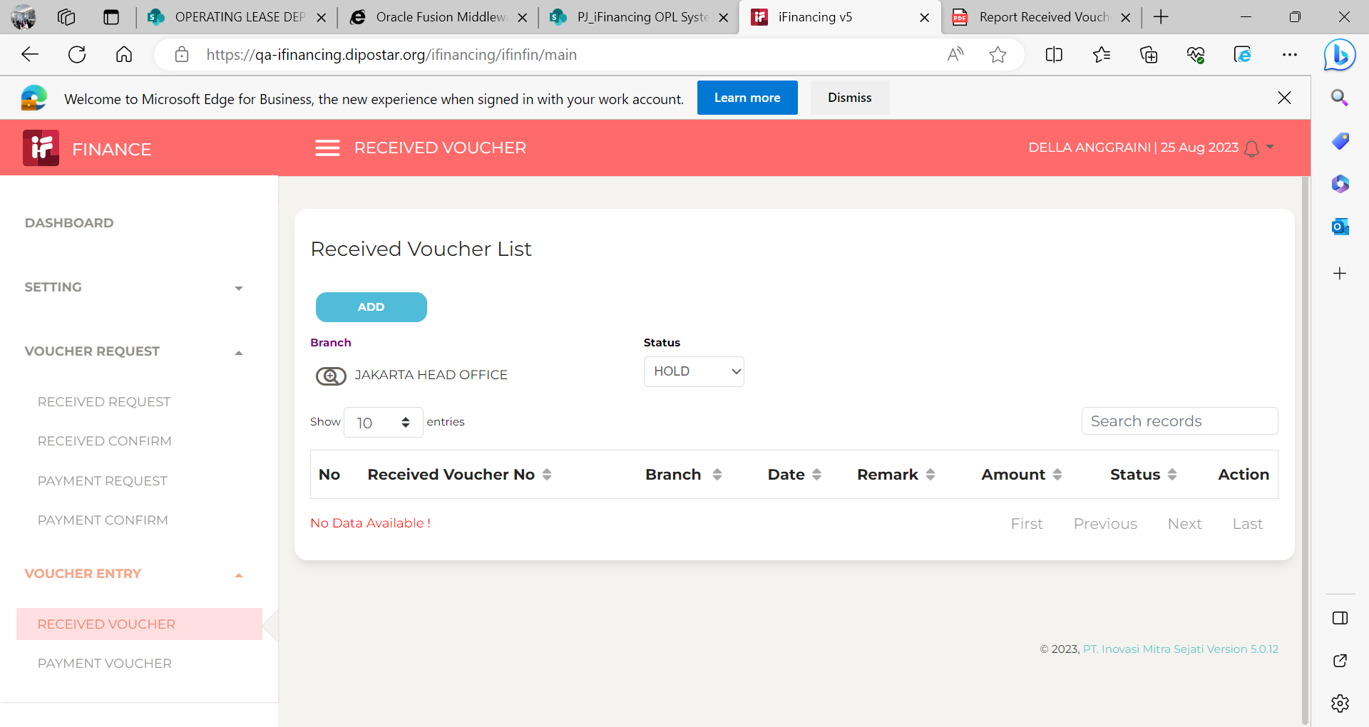

2
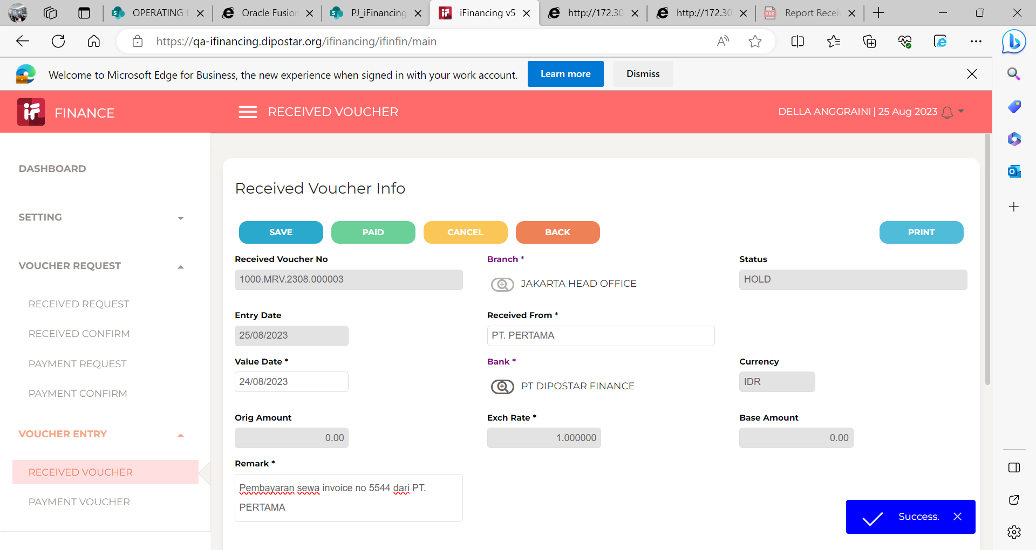

3
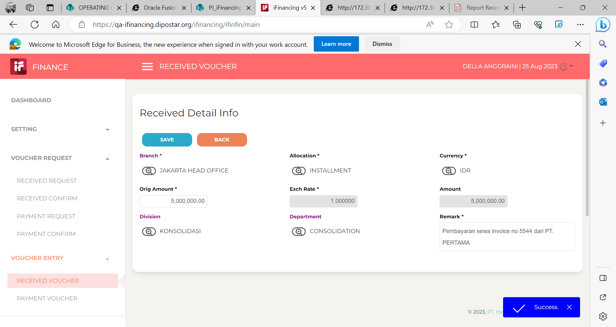

4
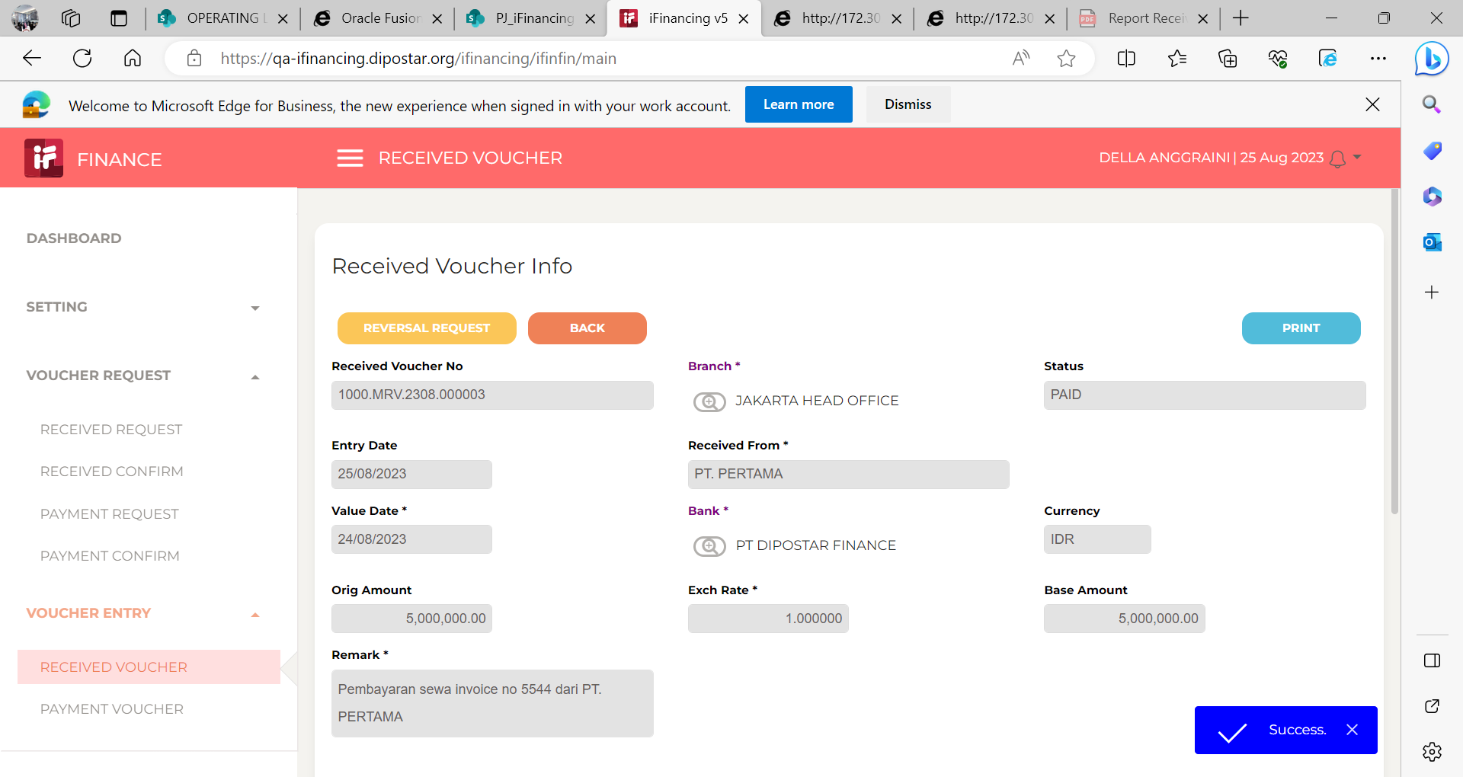

5
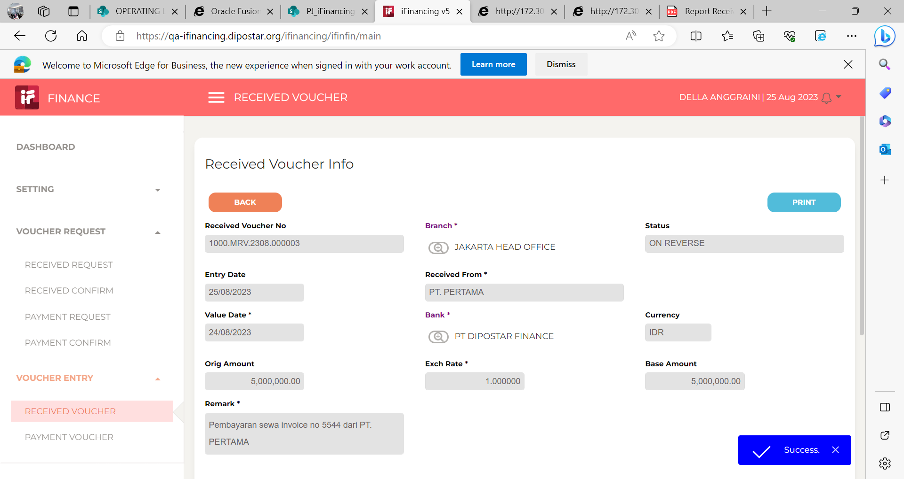

6

 |  | tdk ada submenu reversal

7 | 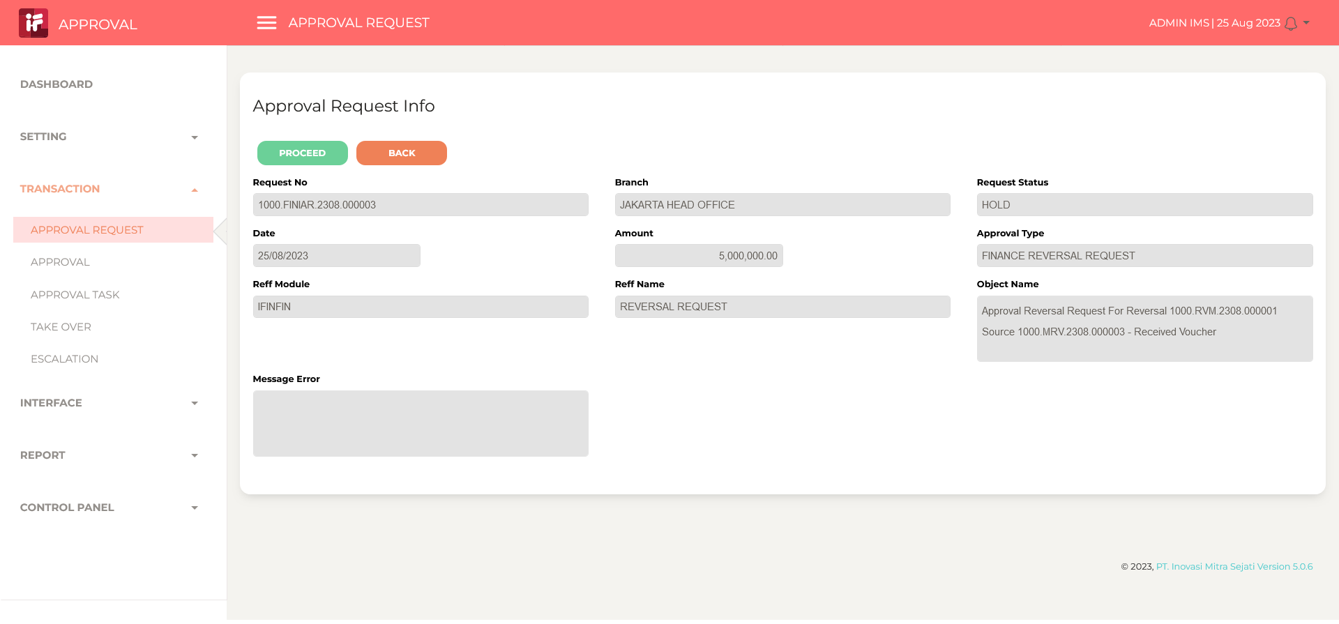
 | 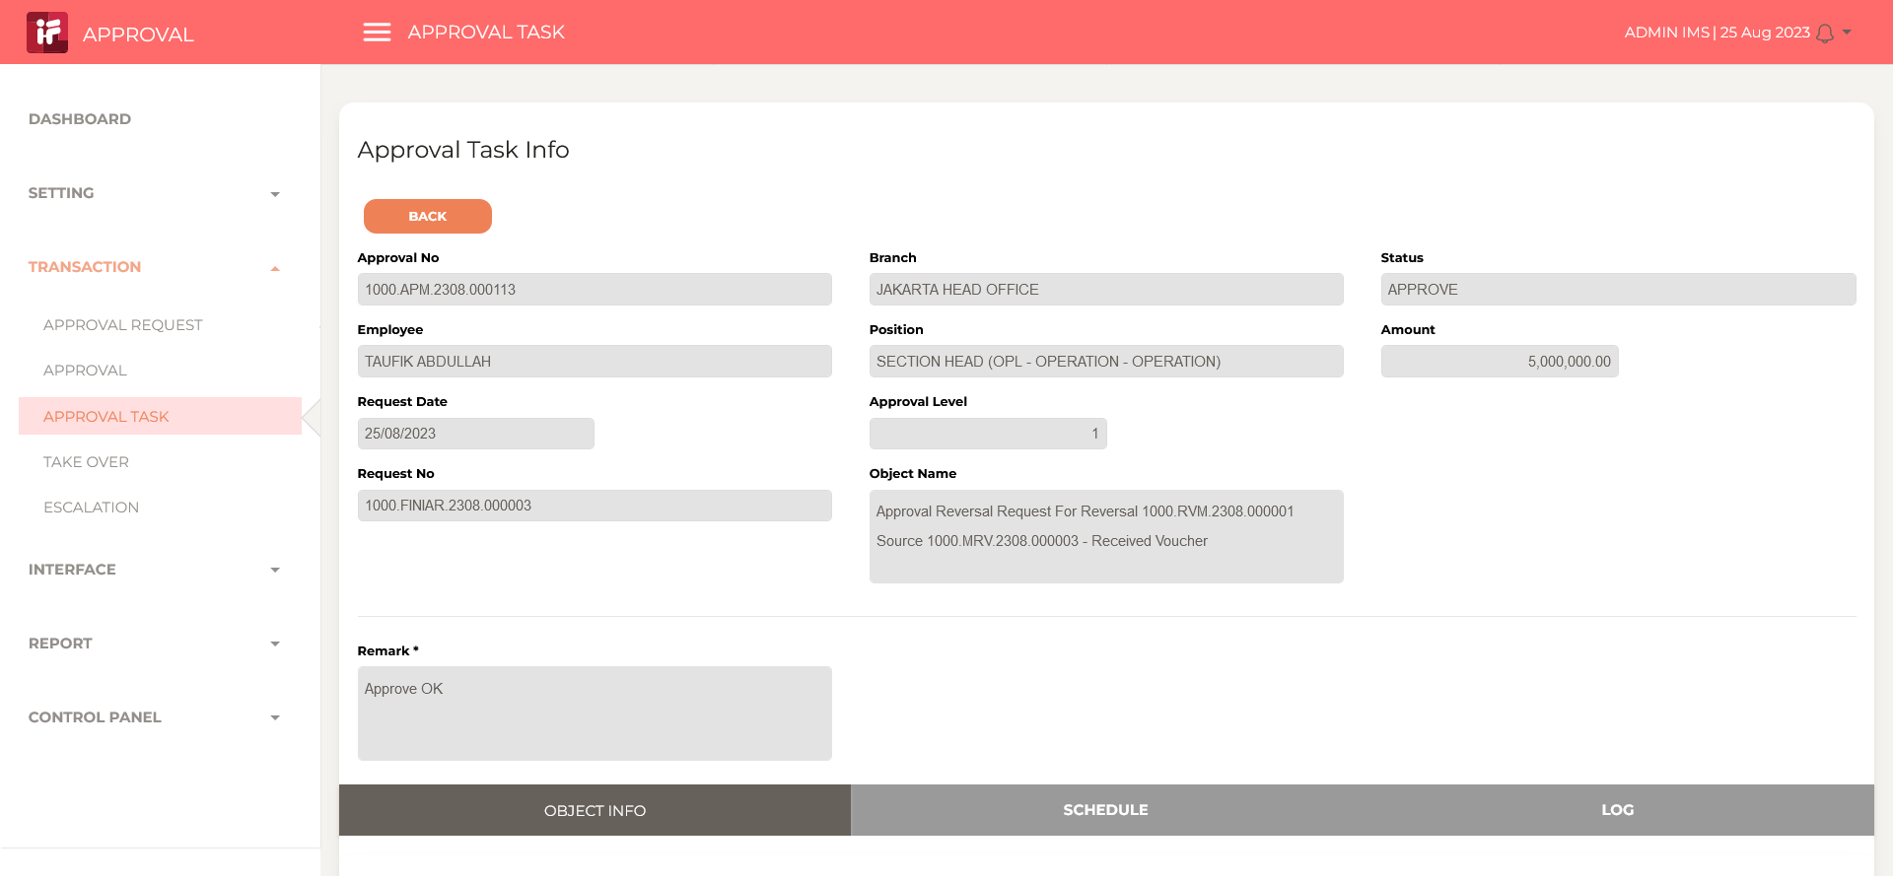
 | 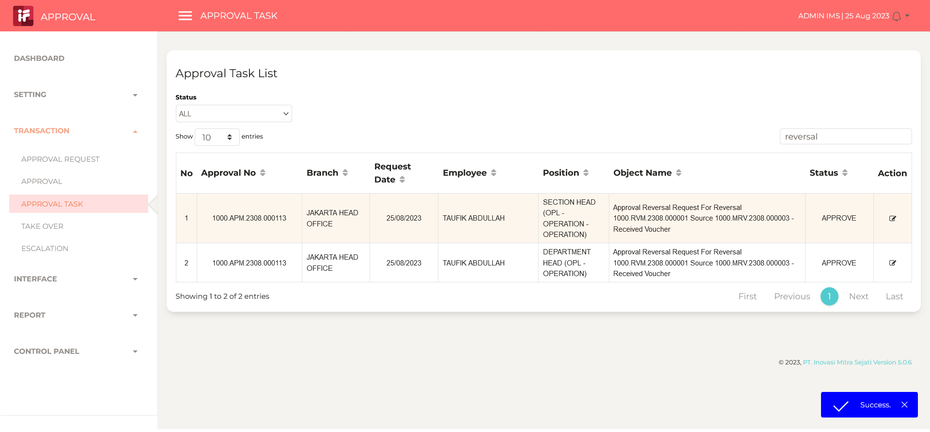

8
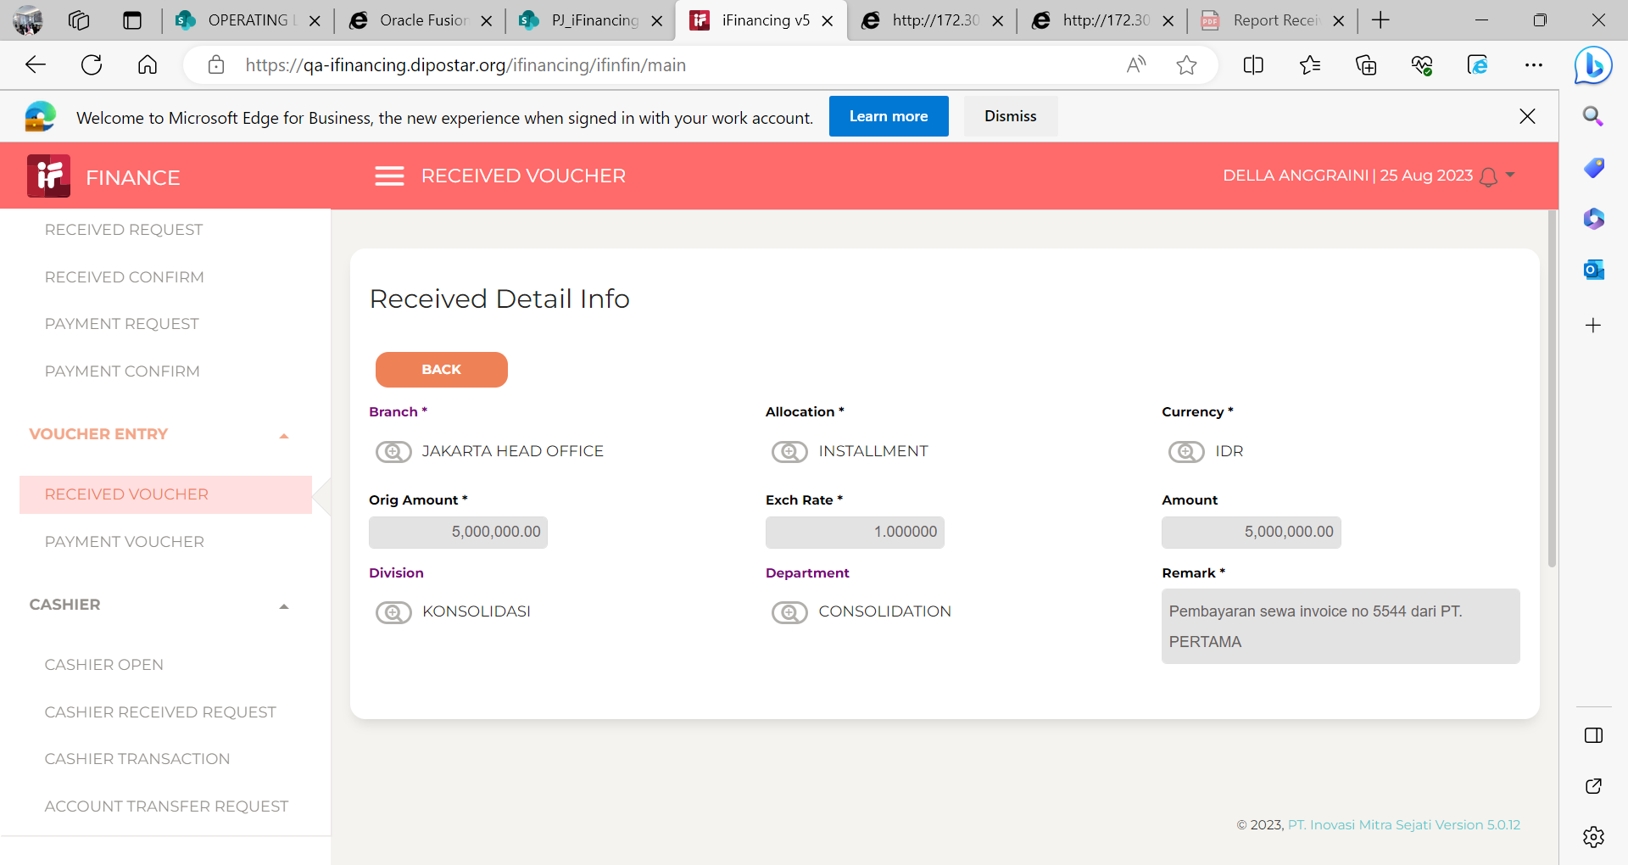

9

10

11

13

14

15

16

17

18

19

20

21

22

36

37

38

39

41

43

44

45

46

